Beam
BEAM
 |  |  | Distace from the compression to centroid reinforcement
(i) Longitudinal Reinforement
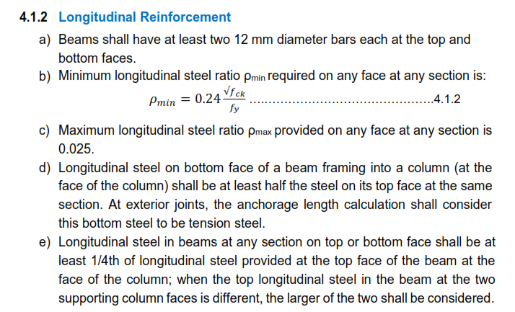
4.1.2 (a)
Top: | 2 no.s | 12 mm dia. bar
Bottom: | 2 no.s | 12 mm dia. bar

4.1.2 (b):- Minimum longitudinal steel ratio
fck= | 20 N/mm²
fy= | 500 N/mm²
$$0.24\frac{√fck}{fy}$$
Pmin=
= | 0.0021

4.1.2 (c):- Maximum longitudinal steel ratio
Pmax= | 0.025

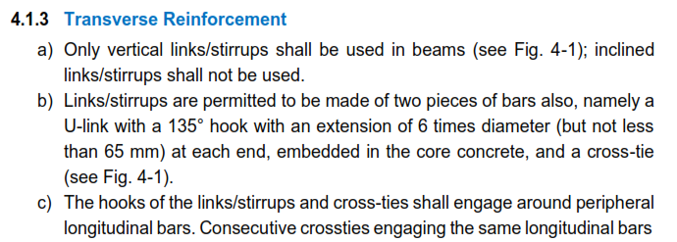
4.1.2 (d)
longitudinal steel on bottom face shall be at least half of the steel on its top face at the same section.

4.1.2 (e):- Longitudinal steel in beams at any section
Top/Bottom: | at least 1/4th of longitudinal steel provided at the top face of the beam

(ii) Transverse/Shear Reinforement

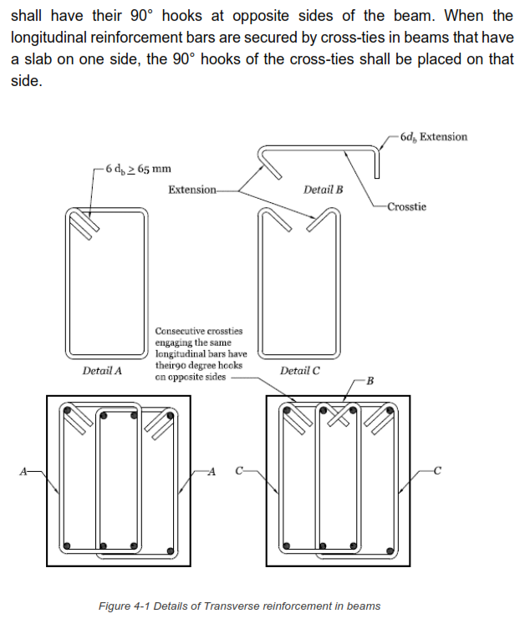
4.1.3 (a)
Only vertical links/stirrups sahll be used
Inclined links/stirrups shall no ne used.

4.1.3 (b)
hook angle= | 135°
db= | 8 mm | (shall no be less than 8mm)
hook length= | 6*db
= | 6*8
= | 48 mm | ≥ 65 mm
Provide hook length of 65 mm

4.1.3 (d)
The minimum diameter of transverse reinforcement shall be 8mm.

Remaining clauses from figure 4-3
diameter of longitudinal reabar: | 16 mm
effective depth of beam (d)= | 315 mm
2d= | 2*315
= | 630 mm
Hoop Spacing
(i) | ≤ d/4
= | 78.75 mm
(ii) | 8db
= | 128 mm
(iii) | 100mm | not less than 100mm

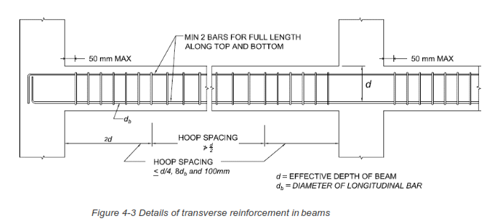

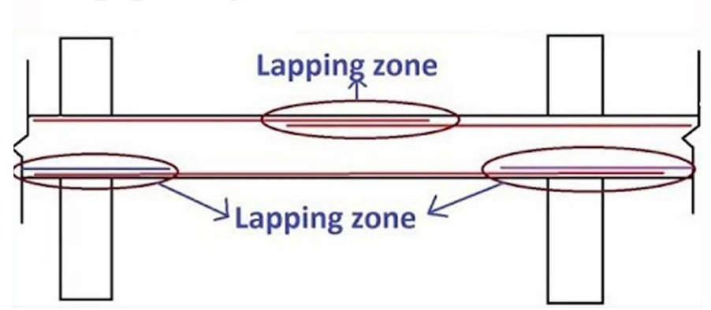

Maximum reinforcement: | 4%
in residential building: | 1.5 to 2.5%
minimum area of reinforcement: | (0.87bd/fy)
depth of beam > 750mm then use torsion bar
area of torsion bar shall be at leat 0.5% of web area

column
COLUMN

4.2.3 Transverse Reinforcement

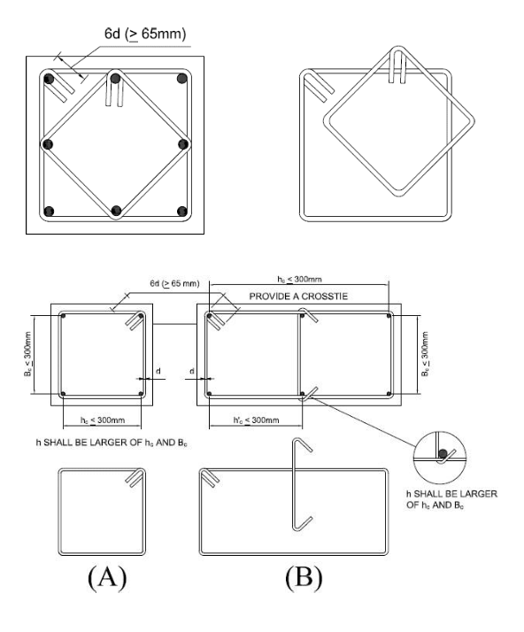

4.3:- Special confining reinforcement

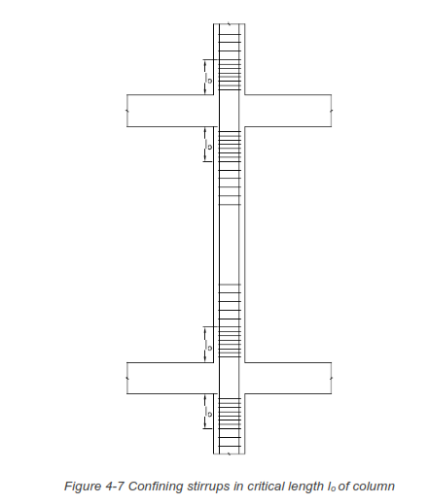
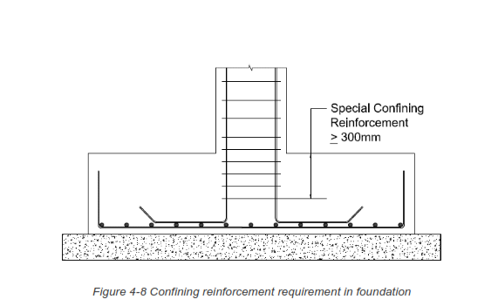

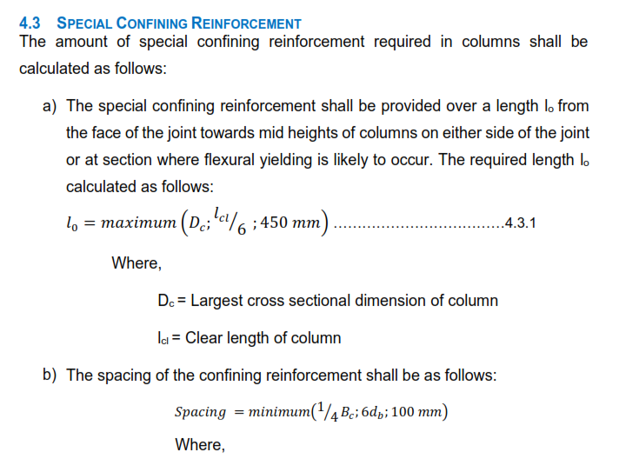

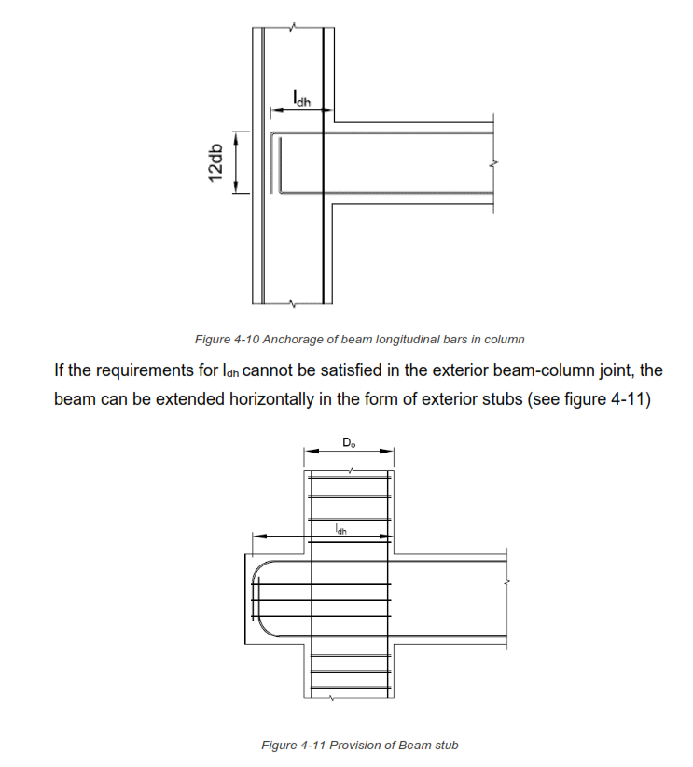
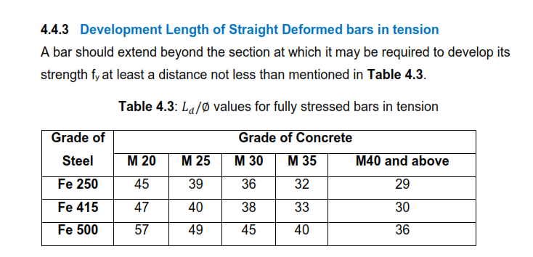

 | For Fe500 and M20
 | Ld/Φ= | 57
 | Ld= | 57Φ

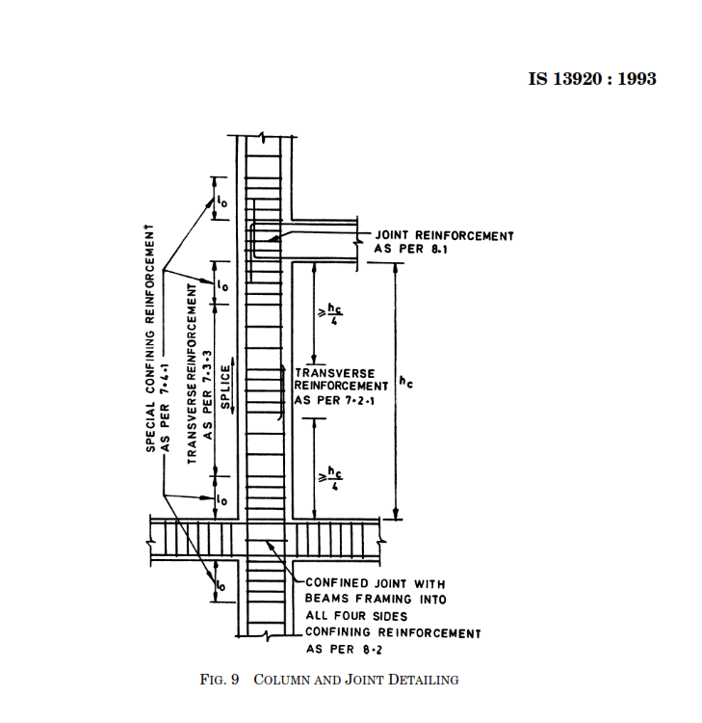

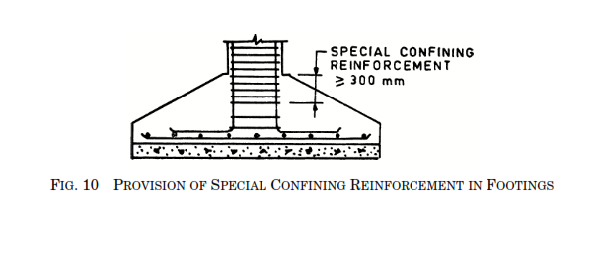

Maximum reinforcement=6%
Minimum reinforcement=0.8%
Commercial building=4%
Residential building= 2-3%

